Nov-18
 |  | Vessel still clear area COSL 221
VESSEL DAILY REPORT

VESSEL NAME | TB MITRA ANUGERAH 32 |  |  |  |  | MAIN ENGINE (HP) |  | 1030X2 |  |  |  | DATE : |  | 2019-09-08
 |  |  |  |  |  | AE ENGINE (HP) |  | 62.5 KVA

OPERATION ACTIVITY |  |  |  |  |  | TIME |  | Engine RPM |  |  | SPEED | NO | NAME | RANK |  | ONBOARD DATE
 |  |  |  |  |  | FROM | TO | ME-Port | ME-C | ME-Stbd
sbe, cast off tujuan pabelokan port/bunker fo |  |  |  |  |  | 1:54:00 | 2:30:00 | 900 |  | 900 | 7.5 | 1 | ANDI MUHAMMAD AMRI | Master |  | 15 AGUSTUS2019
stby/bunker fo |  |  |  |  |  | 2:30:00 | 5:30:00 |  |  |  |  | 2 | QUARISY DAHLAN | Ch Officer |  | 15 AGUSTUS2019
sbe, cast off tujuan clear area drop ancor |  |  |  |  |  | 5:30:00 | 9:54:00 | 900 |  | 900 | 7 | 3 | ANDI WIRDIAWAN | 2nd Officer |  | 15 AGUSTUS2019
stby , drop ancor |  |  |  |  |  | 14:54:00 | 19:06:00 |  |  |  |  | 4 | ICHAN | 3rd Officer |  | 15 AGUSTUS2019
sbe,ancor up sandar jetty pabelokan port,kirim dokumen ke sahbandar |  |  |  |  |  | 15:06:00 | 17:06:00 | 800 |  | 800 | 6 | 5 | HERMAN | Ch Engineer |  | 15 AGUSTUS2019
cast off tujuan 114/cita |  |  |  |  |  | 17:06:00 | 18:24:00 | 900 |  | 900 | 8 | 6 | EKO SUNARYO LAGAY | 2nd Engineer |  | 15 AGUSTUS2019
tranfer bag ke 114 ship |  |  |  |  |  | 18:42:00 | 19:25:00 | 900 |  | 900 | 8 | 7 | SUPRIADI | 3rd Engineer |  | 15 AGUSTUS2019
drop ancor clear area cinta |  |  |  |  |  | 20:30:00 | 20:42:00 |  |  |  |  | 8 | IRWANZAH RAHMAN | AB/COOK |  | 15 AGUSTUS2019
 |  |  |  |  |  |  |  |  |  |  |  | 9 | ANDI IMRAN | AB/COOK |  | 15 AGUSTUS2019
 |  |  |  |  |  |  |  |  |  |  |  | 10 | MARSON | OILER |  | 15 AGUSTUS2019
 |  |  |  |  |  |  |  |  |  |  |  | 11
 |  |  |  |  |  |  |  |  |  |  |  | 12
 |  |  |  |  |  |  |  |  |  |  |  | 13
 |  |  |  |  |  |  |  |  |  |  |  | 14
 |  |  |  |  |  |  |  |  |  |  |  | 15
 |  |  |  |  |  |  |  |  |  |  |  | 16

 |  |  |  |  |  |  |  |  |  |  |  | Notes:

 |  |  |  |  |  |  |  |  |  |  |  | ROB (Liters) |  | Fuel Oil |  | Fresh Water

 |  |  |  |  |  |  |  |  |  |  |  | Opening Stock |  | 16,039 |  | 77
 |  |  |  |  |  |  |  |  |  |  |  | Receive |  | 29,962 |  | 0
 |  |  |  |  |  |  |  |  |  |  |  | Transfer |  | 0 |  | 0
 |  |  |  |  |  |  |  |  |  |  |  | Correction (Excess/Short) |  | 0 |  | 0
 |  |  |  |  |  |  |  |  |  |  |  | Consumption |  | 945 |  | 3
 |  |  |  |  |  |  |  |  |  |  |  | Closing Stock |  | 45,056 |  | 74

MPD READING |  |  | Prev. Reading (at 00:00) |  |  | Current Reading (at 24:00) |  |  | Result |  |  | Engine Operation Summary
 |  |  | Port | Center | Stbd | Port | Center | Stbd | Port | Center | Stbd | Main Engine |  | HH:MM | Aux. Engine |  | HH:MM
Trip Engine Hours |  |  |  |  |  |  |  |  | 0.00 | 0.00 | 0.00 | Full Speed |  | 0:00:00 | AE-1 |  | 12:00:00
Trip Idle Hours |  |  |  |  |  |  |  |  | 0.00 | 0.00 | 0.00 | Towing/Anchor job |  | 0:00:00 | AE-2 |  | 12:00:00
Trip Fuel (Liters) |  |  |  |  |  |  |  |  | 0.00 | 0.00 | 0.00 | Economical Speed |  | 7:54:00 | AE-3 |  | 0:00:00
Trip Idle Fuel (Liters) |  |  |  |  |  |  |  |  | 0.00 | 0.00 | 0.00 | Slow speed/Steaming |  | 1:36:00 | Emer'cy Generator |  | 00:00
Total Hours |  |  |  |  |  |  |  |  | 0.00 | 0.00 | 0.00 | Maneuver |  | 1:06:00 | Bow Thruster |  | 0:00:00
 |  |  |  |  |  |  |  |  |  |  |  | Engine Standby |  | 13:24:00
 |  |  |  |  |  |  |  |  |  |  |  | Engine Stop |  | 0:00:00
 |  |  |  |  |  |  |  |  |  |  |  | TOTAL (24 Hrs) |  | 24:00:00

ATTACHMENT / PHOTO

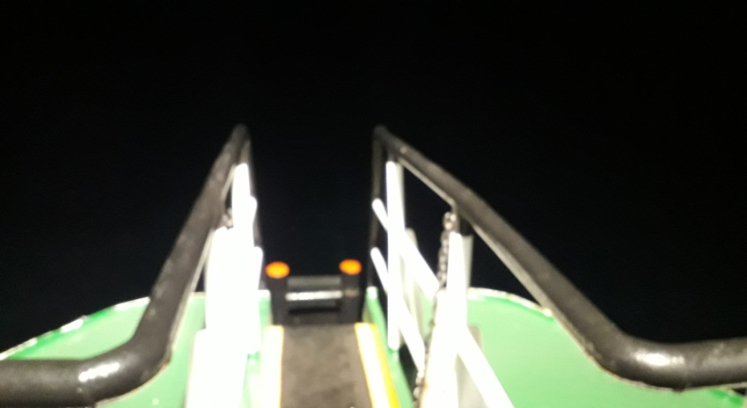
PORT |  |  |  |  |  | CENTER |  |  |  |  |  |  STBD

CHIEF ENGINEER |  |  |  |  |  | VESSELS MASTER |  |  |  |  |  | PHE OSES HEAD OF PRODUCTION

NAME | HERMAN |  |  |  |  | NAME |  | ANDI MUHAMMAD AMRI |  |  |  | NAME

